Bending
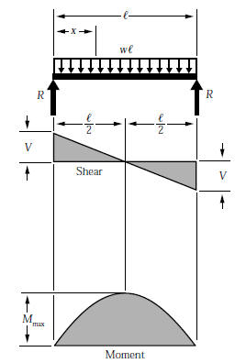
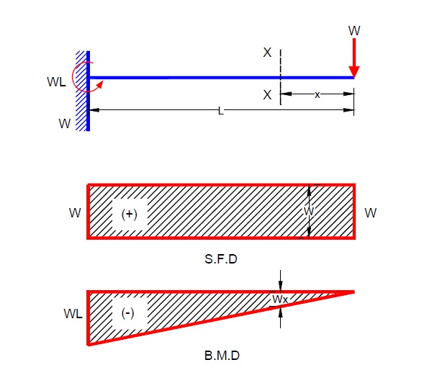
BEAM DEFLECTION FOR HOUSING IN BENDING
*SIMPLY SUPPORTED* |  |  |  |  |  | *DISTRIBUTED WEIGHT* |  |  |  | *CANTILEVER BEAM*

 | Property |  | Units | Notes | Property |  | Units | Notes | Property |  | Units | Notes
 | load, P | 26 | lbf | weight of current dog | distributed load, w | 1.8571428571 | lbf/in | 26 lbf ditributed over 14 in | point load, P | 90 | lbf | force of two legs on one hip (45 lbf per leg for dynamic load)
 | length, L | 14 | in |  | length, L | 14 | in |  | length, L | 14 | in
 | area moment, I | 10.445146553 | in^4 | bending about verical axis | area moment, I | 10.445146553 | in^4 |  | area moment, I | 10.445146553 | in^4
 | max, moment, M | 91 | lb-in |  | max, moment, M | 45.5 | lb-in | bending about verical axis | max, moment, M | 1260 | lb-in | bending about verical axis
 | dist. to neutral axis, c | 2.162 | in | bending about verical axis | dist. to neutral axis, c | 2.162 | in |  | dist. to neutral axis, c | 2.162 | in
 | elastic section modulus, S | 4.831242624 | in^3 |  | elastic section modulus, S | 4.831242624 | in^3 | bending about verical axis | elastic section modulus, S | 4.831242624 | in^3 | bending about verical axis
 | max bending stress, σ | 18.835733802 | psi |  | max bending stress, σ | 9.4178669012 | psi |  | max bending stress, σ | 260.80246803 | psi

 |  |  |  |  |  |  |  |  | `

Combined
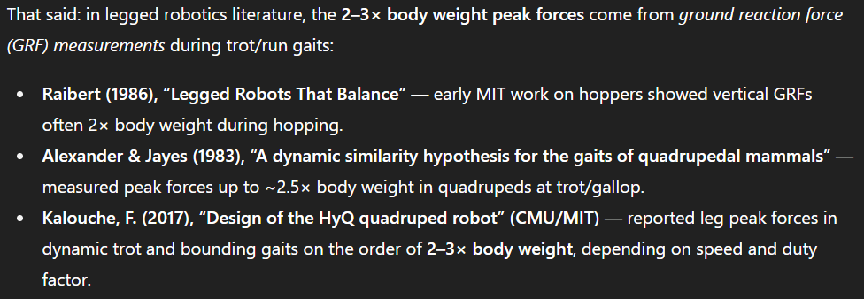
Combined (with Von-Mises) bending-torsion stress: |  |  |  |  | Experimental Yield Stresses
*SIMPLY SUPPORTED* |  |  |  |  |  | CF yield stress | 63606.25 | (psi)
 | Property |  | Units | Notes |  | Alum yield stress | 31336.97 | (psi)
 | von-Mises stress, σ | 23066.897598 | psi
 | material yeild stress, σ | 3.80E+04 | psi | 6061 Al | Alum factor of safety, S | 1.358525561 | [-]
 | factor of safety, S | 1.6473823512 | [-] | needs to be greater than 1.5 | CF factor of safety, S | 2.7574687809 | [-]

*DISTRIBUTED LOAD*
 | Property |  | Units | Notes
 | von-Mises stress, σ | 23066.891831 | psi
 | material yeild stress, σ | 3.80E+04 | psi | 6061 Al | Alum factor of safety, S | 1.3585259007 | [-]
 | factor of safety, S | 1.6473827631 | [-] | needs to be greater than 1.5 | CF factor of safety, S | 2.7574694704 | [-]

*CANTILEVER BEAM*
 | Property |  | Units | Notes
 | von-Mises stress, σ | 23068.364224 | psi
 | material yeild stress, σ | 3.80E+04 | psi | 6061 Al | Alum factor of safety, S | 1.3584391895 | [-]
 | factor of safety, S | 1.647277615 | [-] | needs to be greater than 1.5 | CF factor of safety, S | 2.7572934684 | [-]

